Resi_D1
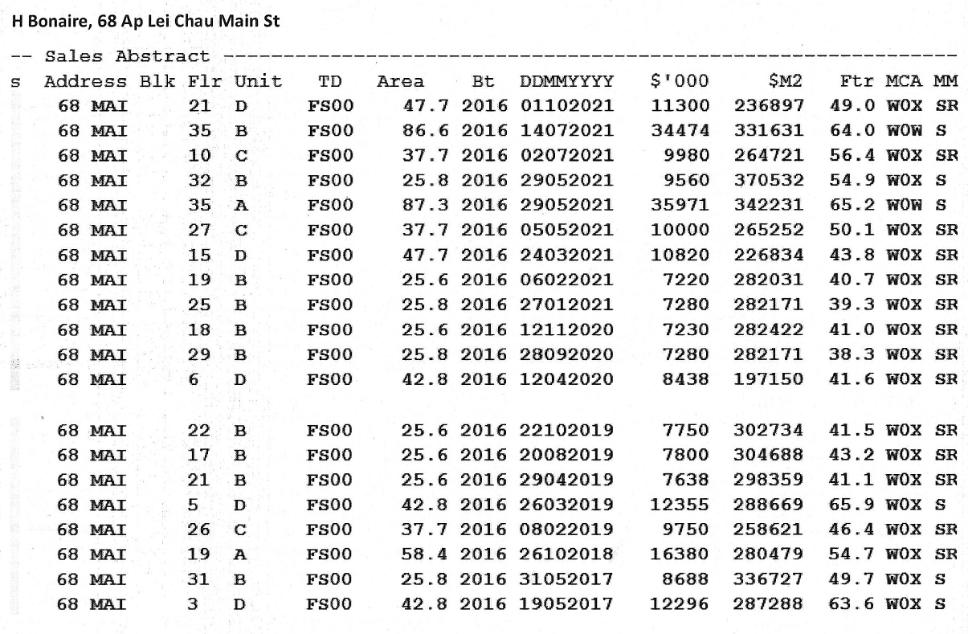
Index | Memo No. | Usage | District | PRN No. | Occupation Date | Building Name | Address | PASP | Ins. Date | Floor | Unit | Area | Area(N)(ft2) | Headroom | View | Price(M)($) | Price($) | $/ft2(N)($) | D. Date | Nature | Bldg.Remarks | Tran.Remarks
C2 | 21110400170019 | RES | HK-A | D2918955 | 2016-10-06 | H BONAIRE | AP LEI CHAU MAIN ST 68 | 2021-10-01 | 2021-10-15 | 21 | D | 52.7 | 567 | 3.15 | Sea | 11.3 | 11,300,000 | 19,929 | 2021-11-04 | ASP | INCL BAL22; U PTM16
C2 | 21081101730025 | RES | HK-A | D2919416 | 2016-10-06 | H BONAIRE | AP LEI CHAU MAIN ST 68 | 2021-07-14 | 2021-07-21 | 35 | B | 88.4 | 952 | 3.15 | Sea | 34.474 | 34,474,000 | 36,212 | 2021-08-11 | ASP | INCL U PTM16 ;EXCL FR59; RF775; SHD57
C2 | 21081201820040 | RES | HK-A | D2918581 | 2016-10-06 | H BONAIRE | AP LEI CHAU MAIN ST 68 | 2021-07-02 | 2021-07-16 | 10 | C | 41.7 | 449 | 3.15 | Sea | 9.98 | 9,980,000 | 22,227 | 2021-08-12 | ASP | INCL BAL22; U PTM16
C2 | 21062502150213 | RES | HK-A | D2919405 | 2016-10-06 | H BONAIRE | AP LEI CHAU MAIN ST 68 | 2021-05-29 | 2021-06-11 | 35 | A | 89.1 | 959 | 3.15 | Sea | 35.971 | 35,971,000 | 37,509 | 2021-06-25 | ASP | INCL U PTM16 ;EXCL FR27; RF832; SHD52
C2 | 21062500770114 | RES | HK-A | D2919330 | 2016-10-06 | H BONAIRE | AP LEI CHAU MAIN ST 68 | 2021-05-29 | 2021-06-04 | 32 | B | 29.8 | 321 | 3.15 | Sea | 9.56 | 9,560,000 | 29,782 | 2021-06-25 | ASP | INCL BAL22; U PTM16
C2 | 21061700860093 | RES | HK-A | D2919148 | 2016-10-06 | H BONAIRE | AP LEI CHAU MAIN ST 68 | 2021-05-05 | 2021-05-20 | 27 | C | 41.7 | 449 | 3.15 | Sea | 10 | 10,000,000 | 22,272 | 2021-06-17 | ASP | INCL BAL22; U PTM16
C2 | 21051400720037 | RES | HK-A | D2918712 | 2016-10-06 | H BONAIRE | AP LEI CHAU MAIN ST 68 | 2021-03-24 | 2021-05-03 | 15 | D | 52.7 | 567 | 3.15 | Sea | 10.82 | 10,820,000 | 19,083 | 2021-05-14 | ASP | INCL BAL22; U PTM16
C2 | 21042000690063 | RES | HK-A | D2918712 | 2016-10-06 | H BONAIRE | AP LEI CHAU MAIN ST 68 | 2021-03-24 | 2021-03-24 | 15 | D | 52.7 | 567 | 3.15 | Sea | 10.82 | 10,820,000 | 19,083 | 2021-04-20 | P-ASP | INCL BAL22; U PTM16
C2 | 21031101160130 | RES | HK-A | D2918856 | 2016-10-06 | H BONAIRE | AP LEI CHAU MAIN ST 68 | 2021-02-06 | 2021-03-05 | 19 | B | 29.7 | 320 | 3.15 | Sea | 7.22 | 7,220,000 | 22,562 | 2021-03-11 | ASP | INCL BAL22; U PTM16
C2 | 21022502290039 | RES | HK-A | D2919056 | 2016-10-06 | H BONAIRE | AP LEI CHAU MAIN ST 68 | 2021-01-27 | 2021-02-10 | 25 | B | 29.8 | 321 | 3.15 | Sea | 7.28 | 7,280,000 | 22,679 | 2021-02-25 | ASP | INCL BAL22; U PTM16
C2 | 21030300120030 | RES | HK-A | D2918856 | 2016-10-06 | H BONAIRE | AP LEI CHAU MAIN ST 68 | 2021-02-06 | 2021-02-06 | 19 | B | 29.7 | 320 | 3.15 | Sea | 7.22 | 7,220,000 | 22,562 | 2021-03-03 | P-ASP | INCL BAL22; U PTM16
C2 | 20120401120340 | RES | HK-A | D2918817 | 2016-10-06 | H BONAIRE | AP LEI CHAU MAIN ST 68 | 2020-11-12 | 2020-11-25 | 18 | B | 29.7 | 320 | 3.15 | Sea | 7.23 | 7,230,000 | 22,594 | 2020-12-04 | ASP | INCL BAL22; U PTM16
C2 | 20103001700065 | RES | HK-A | D2919219 | 2016-10-06 | H BONAIRE | AP LEI CHAU MAIN ST 68 | 2020-09-28 | 2020-10-12 | 29 | B | 29.8 | 321 | 3.15 | Sea | 7.28 | 7,280,000 | 22,679 | 2020-10-30 | ASP | INCL BAL22; U PTM16
C2 | 20102101630125 | RES | HK-A | D2919219 | 2016-10-06 | H BONAIRE | AP LEI CHAU MAIN ST 68 | 2020-09-28 | 2020-09-28 | 29 | B | 29.8 | 321 | 3.15 | Sea | 7.28 | 7,280,000 | 22,679 | 2020-10-21 | P-ASP | INCL BAL22; U PTM16
C2 | 20050600880049 | RES | HK-A | D2918473 | 2016-10-06 | H BONAIRE | AP LEI CHAU MAIN ST 68 | 2020-04-12 | 2020-04-27 | 06 | D | 47.3 | 509 | 3.15 | Sea | 8.438 | 8,438,000 | 16,578 | 2020-05-06 | ASP | INCL BAL22; U PTM16
C2 | 19111301220038 | RES | HK-A | D2918974 | 2016-10-06 | H BONAIRE | AP LEI CHAU MAIN ST 68 | 2019-10-22 | 2019-11-05 | 22 | B | 29.7 | 320 | 3.15 | Sea | 7.75 | 7,750,000 | 24,219 | 2019-11-13 | ASP | INCL BAL22; U PTM16
C2 | 19093001230019 | RES | HK-A | D2918776 | 2016-10-06 | H BONAIRE | AP LEI CHAU MAIN ST 68 | 2019-08-20 | 2019-09-03 | 17 | B | 29.7 | 320 | 3.15 | Sea | 7.8 | 7,800,000 | 24,375 | 2019-09-30 | ASP | INCL BAL22; U PTM16
D1 | 19060401820193 | RES | HK-A | D2918935 | 2016-10-06 | H BONAIRE | AP LEI CHAU MAIN ST 68 | 2019-04-29 | 2019-05-10 | 21 | B | 29.7 | 320 | 3.15 | Sea | 7.638 | 7,638,000 | 23,869 | 2019-06-04 | ASP | INCL BAL22; U PTM16
D1 | 19041100490038 | RES | HK-A | D2918431 | 2016-10-06 | H BONAIRE | AP LEI CHAU MAIN ST 68 | 2019-03-26 | 2019-04-01 | 05 | D | 47.3 | 509 | 3.15 | Sea | 12.355 | 12,355,000 | 24,273 | 2019-04-11 | ASP | INCL BAL22; U PTM16
D1 | 19031100430110 | RES | HK-A | D2919107 | 2016-10-06 | H BONAIRE | AP LEI CHAU MAIN ST 68 | 2019-02-08 | 2019-02-22 | 26 | C | 41.7 | 449 | 3.15 | Sea | 9.75 | 9,750,000 | 21,715 | 2019-03-11 | ASP | INCL BAL22; U PTM16
D1 | 18121400970024 | RES | HK-A | D2918848 | 2016-10-06 | H BONAIRE | AP LEI CHAU MAIN ST 68 | 2018-10-26 | 2018-11-21 | 19 | A | 62.7 | 675 | 3.15 | Sea | 16.38 | 16,380,000 | 24,267 | 2018-12-14 | ASP | INCL BAL22; U PTM16
C2 | 18112302160010 | RES | HK-A | D2918848 | 2016-10-06 | H BONAIRE | AP LEI CHAU MAIN ST 68 | 2018-10-26 | 2018-10-25 | 19 | A | 62.7 | 675 | 3.15 | Sea | 16.38 | 16,380,000 | 24,267 | 2018-11-23 | P-ASP | INCL BAL22; U PTM16
D1 | 17062000690070 | RES | HK-A | D2919291 | 2016-10-06 | H BONAIRE | AP LEI CHAU MAIN ST 68 | 2017-05-31 | 2017-06-07 | 31 | B | 29.8 | 321 | 3.15 | Sea | 8.688 | 8,688,000 | 27,065 | 2017-06-20 | ASP | INCL BAL22; U PTM16
D1 | 17061601180082 | RES | HK-A | D2918392 | 2016-10-06 | H BONAIRE | AP LEI CHAU MAIN ST 68 | 2017-05-19 | 2017-05-26 | 03 | D | 47.3 | 509 | 3.15 | Sea | 12.296 | 12,296,000 | 24,157 | 2017-06-16 | ASP | INCL BAL22; U PTM16 ;EXCL FR325
D1 | 17051600720187 | RES | HK-A | D2918381 | 2016-10-06 | H BONAIRE | AP LEI CHAU MAIN ST 68 | 2017-04-29 | 2017-05-09 | 03 | C | 40.2 | 433 | 3.15 | Sea | 8.754 | 8,754,000 | 20,217 | 2017-05-16 | ASP | INCL BAL22 ;EXCL FR87
D1 | 17051600720193 | RES | HK-A | D2919259 | 2016-10-06 | H BONAIRE | AP LEI CHAU MAIN ST 68 | 2017-04-26 | 2017-05-05 | 30 | B | 29.8 | 321 | 3.15 | Sea | 8.154 | 8,154,000 | 25,402 | 2017-05-16 | ASP | INCL BAL22; U PTM16

Resi_D2
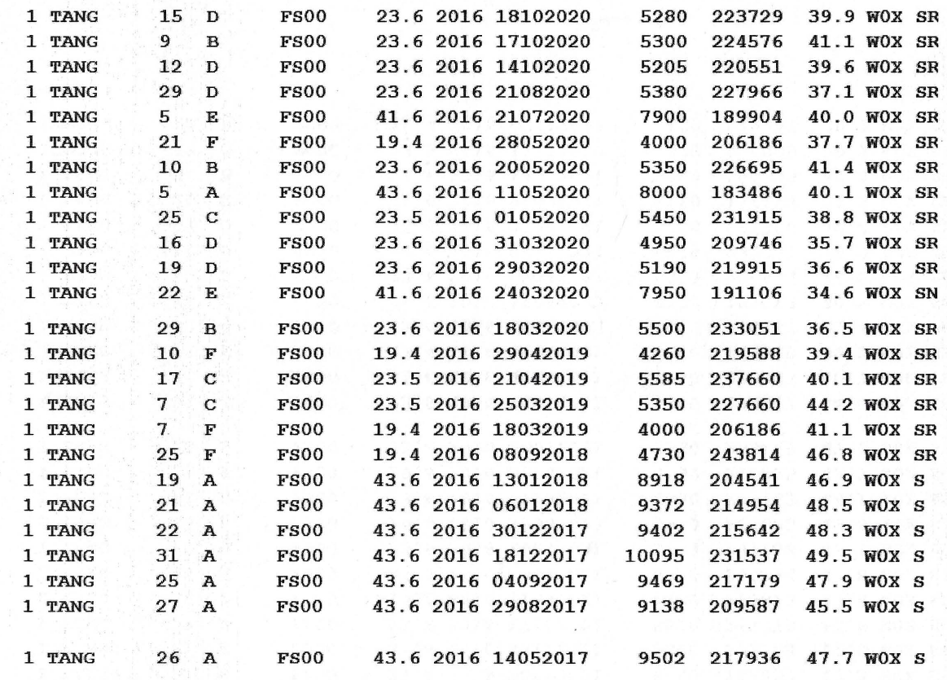
Index | Memo No. | Usage | District | PRN No. | Occupation Date | Building Name | Address | PSAP | Ins. Date | Floor | Unit | Area | View | Area(N)(ft2) | Headroom | Price(M)($) | Price($) | $/ft2(N)($) | D. Date | Nature | Bldg.Remarks | Tran.Remarks
C2 | 22041300810168 | RES | HK-A | D3241742 | 2016-11-04 | SOUTH COAST | TANG FUNG ST 1 | 2022-03-23 | 2022-04-06 | 06 | F | 19.9 | Graveyard | 214 | 2.95 | 3.45 | 3450000 | 16121 | 2022-04-13 | ASP | INCL BAL22 ;STUDIO
C2 | 22011901870103 | RES | HK-A | D3242194 | 2016-11-04 | SOUTH COAST | TANG FUNG ST 1 | 2021-12-30 | 2021-12-30 | 16 | C | 23.6 | Sea | 254 | 2.95 | 5.68 | 5680000 | 22362 | 2022-01-19 | P-ASP | INCL BAL22 ;EXCL BW2
C2 | 21122200270031 | RES | HK-A | D3242660 | 2016-11-04 | SOUTH COAST | TANG FUNG ST 1 | 2021-11-28 | 2021-12-13 | 25 | B | 23.7 | Sea | 255 | 2.95 | 6 | 6000000 | 23529 | 2021-12-22 | ASP | INCL BAL22 ;EXCL BW2
C2 | 21111801210029 | RES | HK-A | D3243053 | 2016-11-04 | SOUTH COAST | TANG FUNG ST 1 | 2021-11-05 | 2021-11-05 | 31 | E | 41.9 | Sea | 451 | 2.95 | 8.4 | 8400000 | 18625 | 2021-11-18 | ASP | INCL BAL22; U PTM16 ;EXCL BW5
C2 | 21111001340054 | RES | HK-A | D3242541 | 2016-11-04 | SOUTH COAST | TANG FUNG ST 1 | 2021-10-17 | 2021-11-02 | 22 | B | 23.7 | Sea | 255 | 2.95 | 5.838 | 5838000 | 22894 | 2021-11-10 | ASP | INCL BAL22 ;EXCL BW2
C2 | 21121601330012 | RES | HK-A | D3242589 | 2016-11-04 | SOUTH COAST | TANG FUNG ST 1 | 2021-09-21 | 2021-10-08 | 22 | F | 19.9 | Graveyard | 214 | 2.95 | 4.09 | 4090000 | 19112 | 2021-12-16 | RE-ASP | INCL BAL22 ;STUDIO
C2 | 21102102000051 | RES | HK-A | D3242589 | 2016-11-04 | SOUTH COAST | TANG FUNG ST 1 | 2021-09-21 | 2021-10-08 | 22 | F | 19.9 | Graveyard | 214 | 2.95 | 4.09 | 4090000 | 19112 | 2021-10-21 | ASP | INCL BAL22 ;STUDIO
C2 | 21101800180107 | RES | HK-A | D3242659 | 2016-11-04 | SOUTH COAST | TANG FUNG ST 1 | 2021-09-19 | 2021-10-04 | 25 | A | 44.4 | Sea | 478 | 2.95 | 8.97 | 8970000 | 18766 | 2021-10-18 | ASP | INCL BAL22 ;EXCL BW2
C2 | 21101502590134 | RES | HK-A | D3242185 | 2016-11-04 | SOUTH COAST | TANG FUNG ST 1 | 2021-09-10 | 2021-09-23 | 16 | B | 23.7 | Sea | 255 | 2.95 | 5.6 | 5600000 | 21961 | 2021-10-15 | ASP | INCL BAL22 ;EXCL BW2
C2 | 21092900150011 | RES | HK-A | D3242167 | 2016-11-04 | SOUTH COAST | TANG FUNG ST 1 | 2021-08-30 | 2021-09-21 | 15 | F | 19.9 | Graveyard | 214 | 2.95 | 3.95 | 3950000 | 18458 | 2021-09-29 | ASP | INCL BAL22 ;STUDIO
C2 | 21092902081982 | RES | HK-A | D3242045 | 2016-11-04 | SOUTH COAST | TANG FUNG ST 1 | 2021-08-06 | 2021-09-03 | 11 | F | 19.9 | Graveyard | 214 | 2.95 | 4.09 | 4090000 | 19112 | 2021-09-29 | ASP | INCL BAL22 ;STUDIO
C2 | 21092400340011 | RES | HK-A | D3242167 | 2016-11-04 | SOUTH COAST | TANG FUNG ST 1 | 2021-08-30 | 2021-08-30 | 15 | F | 19.9 | Graveyard | 214 | 2.95 | 3.95 | 3950000 | 18458 | 2021-09-24 | P-ASP | INCL BAL22 ;STUDIO
C2 | 21090200040010 | RES | HK-A | D3242748 | 2016-11-04 | SOUTH COAST | TANG FUNG ST 1 | 2021-08-12 | 2021-08-25 | 26 | D | 23.6 | Sea | 254 | 2.95 | 5.88 | 5880000 | 23150 | 2021-09-02 | ASP | INCL BAL22 ;EXCL BW2
C2 | 21090602160066 | RES | HK-A | D3242066 | 2016-11-04 | SOUTH COAST | TANG FUNG ST 1 | 2021-07-18 | 2021-08-20 | 12 | B | 23.7 | Sea | 255 | 2.95 | 5.55 | 5550000 | 21765 | 2021-09-06 | ASP | INCL BAL22 ;EXCL BW2
C2 | 21082301080481 | RES | HK-A | D3242045 | 2016-11-04 | SOUTH COAST | TANG FUNG ST 1 | 2021-08-06 | 2021-08-06 | 11 | F | 19.9 | Graveyard | 214 | 2.95 | 4.09 | 4090000 | 19112 | 2021-08-23 | P-ASP | INCL BAL22 ;STUDIO
C2 | 21081001870043 | RES | HK-A | D3242066 | 2016-11-04 | SOUTH COAST | TANG FUNG ST 1 | 2021-07-18 | 2021-07-18 | 12 | B | 23.7 | Sea | 255 | 2.95 | 5.55 | 5550000 | 21765 | 2021-08-10 | P-ASP | INCL BAL22 ;EXCL BW2
C2 | 21072602460174 | RES | HK-A | D3242556 | 2016-11-04 | SOUTH COAST | TANG FUNG ST 1 | 2021-06-26 | 2021-07-09 | 22 | C | 23.6 | Sea | 254 | 2.95 | 5.49 | 5490000 | 21614 | 2021-07-26 | ASP | INCL BAL22 ;EXCL BW2
C2 | 21072001630033 | RES | HK-A | D3241579 | 2016-11-04 | SOUTH COAST | TANG FUNG ST 1 | 2021-06-22 | 2021-07-06 | 03 | A | 42.4 | Sea | 456 | 2.95 | 7.95 | 7950000 | 17434 | 2021-07-20 | ASP | EXCL BW2; FR47
C2 | 21070800350062 | RES | HK-A | D3242888 | 2016-11-04 | SOUTH COAST | TANG FUNG ST 1 | 2021-06-16 | 2021-06-16 | 28 | F | 19.9 | Graveyard | 214 | 2.95 | 4.15 | 4150000 | 19393 | 2021-07-08 | P-ASP | INCL BAL22 ;STUDIO
C2 | 21062901650314 | RES | HK-A | D3241939 | 2016-11-04 | SOUTH COAST | TANG FUNG ST 1 | 2021-05-19 | 2021-06-07 | 10 | A | 44.4 | Sea | 478 | 2.95 | 7.68 | 7680000 | 16067 | 2021-06-29 | ASP | INCL BAL22 ;EXCL BW2
C2 | 21050701740104 | RES | HK-A | D3242750 | 2016-11-04 | SOUTH COAST | TANG FUNG ST 1 | 2021-04-12 | 2021-04-27 | 26 | E | 41.9 | Sea | 451 | 2.95 | 8.3 | 8300000 | 18404 | 2021-05-07 | ASP | INCL BAL22; U PTM16 ;EXCL BW5
C2 | 21042302730574 | RES | HK-A | D3241963 | 2016-11-04 | SOUTH COAST | TANG FUNG ST 1 | 2021-04-07 | 2021-04-20 | 10 | D | 23.6 | Sea | 254 | 2.95 | 5.35 | 5350000 | 21063 | 2021-04-23 | ASP | INCL BAL22 ;EXCL BW2
C2 | 21042802030145 | RES | HK-A | D3242003 | 2016-11-04 | SOUTH COAST | TANG FUNG ST 1 | 2021-04-05 | 2021-04-16 | 11 | B | 23.7 | Sea | 255 | 2.95 | 5.5 | 5500000 | 21569 | 2021-04-28 | ASP | INCL BAL22 ;EXCL BW2
C2 | 21042101190123 | RES | HK-A | D3242806 | 2016-11-04 | SOUTH COAST | TANG FUNG ST 1 | 2021-04-01 | 2021-04-14 | 27 | D | 23.6 | Sea | 254 | 2.95 | 5.46 | 5460000 | 21496 | 2021-04-21 | ASP | INCL BAL22 ;EXCL BW2
C2 | 21043001390017 | RES | HK-A | D3242512 | 2016-11-04 | SOUTH COAST | TANG FUNG ST 1 | 2021-03-29 | 2021-04-13 | 21 | E | 41.9 | Sea | 451 | 2.95 | 8.16 | 8160000 | 18093 | 2021-04-30 | ASP | INCL BAL22; U PTM16 ;EXCL BW5
C2 | 21022402240122 | RES | HK-A | D3241842 | 2016-11-04 | SOUTH COAST | TANG FUNG ST 1 | 2021-01-14 | 2021-01-27 | 08 | D | 23.6 | Sea | 254 | 2.95 | 5.2 | 5200000 | 20472 | 2021-02-24 | ASP | INCL BAL22 ;EXCL BW2
C2 | 21010601390089 | RES | HK-A | D3242615 | 2016-11-04 | SOUTH COAST | TANG FUNG ST 1 | 2020-12-17 | 2020-12-31 | 23 | C | 23.6 | Sea | 254 | 2.95 | 5.33 | 5330000 | 20984 | 2021-01-06 | ASP | INCL BAL22 ;EXCL BW2
C2 | 20120200280076 | RES | HK-A | D3242102 | 2016-11-04 | SOUTH COAST | TANG FUNG ST 1 | 2020-11-07 | 2020-11-20 | 12 | F | 19.9 | Graveyard | 214 | 2.95 | 4.13 | 4130000 | 19299 | 2020-12-02 | ASP | INCL BAL22 ;STUDIO
C2 | 20111100350115 | RES | HK-A | D3242084 | 2016-11-04 | SOUTH COAST | TANG FUNG ST 1 | 2020-10-14 | 2020-11-03 | 12 | D | 23.6 | Sea | 254 | 2.95 | 5.205 | 5205000 | 20492 | 2020-11-11 | ASP | INCL BAL22 ;EXCL BW2
C2 | 20111902160017 | RES | HK-A | D3242146 | 2016-11-04 | SOUTH COAST | TANG FUNG ST 1 | 2020-10-18 | 2020-10-30 | 15 | D | 23.6 | Sea | 254 | 2.95 | 5.28 | 5280000 | 20787 | 2020-11-19 | ASP | INCL BAL22 ;EXCL BW2 | 0111101340017
C2 | 0111101340017 | RES | HK-A | D3241881 | 2016-11-04 | SOUTH COAST | TANG FUNG ST 1 | 2020-10-17 | 2020-10-17 | 09 | B | 23.7 | Sea | 255 | 2.95 | 5.3 | 5300000 | 20784 | 2020-11-11 | P-ASP | INCL BAL22 ;EXCL BW2
C2 | 20110900280126 | RES | HK-A | D3242084 | 2016-11-04 | SOUTH COAST | TANG FUNG ST 1 | 2020-10-14 | 2020-10-14 | 12 | D | 23.6 | Sea | 254 | 2.95 | 5.205 | 5205000 | 20492 | 2020-11-09 | P-ASP | INCL BAL22 ;EXCL BW2
C2 | 20091500290075 | RES | HK-A | D3242929 | 2016-11-04 | SOUTH COAST | TANG FUNG ST 1 | 2020-08-21 | 2020-09-04 | 29 | D | 23.6 | Sea | 254 | 2.95 | 5.38 | 5380000 | 21181 | 2020-09-15 | ASP | INCL BAL22 ;EXCL BW2
C2 | 20090101410211 | RES | HK-A | D3241673 | 2016-11-04 | SOUTH COAST | TANG FUNG ST 1 | 2020-07-21 | 2020-08-25 | 05 | E | 41.9 | Sea | 451 | 2.95 | 7.9 | 7900000 | 17517 | 2020-09-01 | ASP | INCL BAL22; U PTM16 ;EXCL BW5
C2 | 20081701260152 | RES | HK-A | D3241673 | 2016-11-04 | SOUTH COAST | TANG FUNG ST 1 | 2020-07-21 | 2020-07-21 | 05 | E | 41.9 | Sea | 451 | 2.95 | 7.9 | 7900000 | 17517 | 2020-08-17 | P-ASP | INCL BAL22; U PTM16 ;EXCL BW5
C2 | 20062901080063 | RES | HK-A | D3242525 | 2016-11-04 | SOUTH COAST | TANG FUNG ST 1 | 2020-05-28 | 2020-06-11 | 21 | F | 19.9 | Graveyard | 214 | 2.95 | 4 | 4000000 | 18692 | 2020-06-29 | ASP | INCL BAL22 ;STUDIO
C2 | 20062200140142 | RES | HK-A | D3241944 | 2016-11-04 | SOUTH COAST | TANG FUNG ST 1 | 2020-05-20 | 2020-06-02 | 10 | B | 23.7 | Sea | 255 | 2.95 | 5.35 | 5350000 | 20980 | 2020-06-22 | ASP | INCL BAL22 ;EXCL BW2
C2 | 20061501610016 | RES | HK-A | D3241633 | 2016-11-04 | SOUTH COAST | TANG FUNG ST 1 | 2020-05-11 | 2020-05-18 | 05 | A | 44.4 | Sea | 478 | 2.95 | 8 | 8000000 | 16736 | 2020-06-15 | ASP | INCL BAL22 ;EXCL BW2
C2 | 20052200490032 | RES | HK-A | D3242676 | 2016-11-04 | SOUTH COAST | TANG FUNG ST 1 | 2020-05-01 | 2020-05-14 | 25 | C | 23.6 | Sea | 254 | 2.95 | 5.45 | 5450000 | 21457 | 2020-05-22 | ASP | INCL BAL22 ;EXCL BW2
C2 | 20050701550154 | RES | HK-A | D3242386 | 2016-11-04 | SOUTH COAST | TANG FUNG ST 1 | 2020-03-29 | 2020-04-29 | 19 | D | 23.6 | Sea | 254 | 2.95 | 5.19 | 5190000 | 20433 | 2020-05-07 | ASP | INCL BAL22 ;EXCL BW2
C2 | 20042000020099 | RES | HK-A | D3242208 | 2016-11-04 | SOUTH COAST | TANG FUNG ST 1 | 2020-03-31 | 2020-04-15 | 16 | D | 23.6 | Sea | 254 | 2.95 | 4.95 | 4950000 | 19488 | 2020-04-20 | ASP | INCL BAL22 ;EXCL BW2
C2 | 20041601490434 | RES | HK-A | D3242902 | 2016-11-04 | SOUTH COAST | TANG FUNG ST 1 | 2020-03-18 | 2020-03-31 | 29 | B | 23.7 | Sea | 255 | 2.95 | 5.5 | 5500000 | 21569 | 2020-04-16 | ASP | INCL BAL22 ;EXCL BW2
C2 | 20042001300110 | RES | HK-A | D3242386 | 2016-11-04 | SOUTH COAST | TANG FUNG ST 1 | 2020-03-29 | 2020-03-29 | 19 | D | 23.6 | Sea | 254 | 2.95 | 5.19 | 5190000 | 20433 | 2020-04-20 | P-ASP | INCL BAL22 ;EXCL BW2
C2 | 20041601150015 | RES | HK-A | D3242576 | 2016-11-04 | SOUTH COAST | TANG FUNG ST 1 | 2020-03-24 | 2020-03-24 | 22 | E | 41.9 | Sea | 451 | 2.95 | 7.95 | 7950000 | 17627 | 2020-04-16 | P-ASP | INCL BAL22; U PTM16 ;EXCL BW5
D2 | 19053001250034 | RES | HK-A | D3241987 | 2016-11-04 | SOUTH COAST | TANG FUNG ST 1 | 2019-04-29 | 2019-05-10 | 10 | F | 19.9 | Graveyard | 214 | 2.95 | 4.26 | 4260000 | 19907 | 2019-05-30 | ASP | INCL BAL22 ;STUDIO
D2 | 19052700690029 | RES | HK-A | D3242256 | 2016-11-04 | SOUTH COAST | TANG FUNG ST 1 | 2019-04-21 | 2019-05-06 | 17 | C | 23.6 | Sea | 254 | 2.95 | 5.585 | 5585000 | 21988 | 2019-05-27 | ASP | INCL BAL22 ;EXCL BW2
D2 | 19041700250036 | RES | HK-A | D3241775 | 2016-11-04 | SOUTH COAST | TANG FUNG ST 1 | 2019-03-25 | 2019-04-08 | 07 | C | 23.6 | Sea | 254 | 2.95 | 5.35 | 5350000 | 21063 | 2019-04-17 | ASP | INCL BAL22 ;EXCL BW2
D2 | 19041101500166 | RES | HK-A | D3241805 | 2016-11-04 | SOUTH COAST | TANG FUNG ST 1 | 2019-03-18 | 2019-04-01 | 07 | F | 19.9 | Graveyard | 214 | 2.95 | 4 | 4000000 | 18692 | 2019-04-11 | ASP | INCL BAL22 ;STUDIO
D2 | 18101101400052 | RES | HK-A | D3242709 | 2016-11-04 | SOUTH COAST | TANG FUNG ST 1 | 2018-09-08 | 2018-09-21 | 25 | F | 19.9 | Graveyard | 214 | 2.95 | 4.73 | 4730000 | 22103 | 2018-10-11 | ASP | INCL BAL22 ;STUDIO
D2 | 18021500830084 | RES | HK-A | D3242359 | 2016-11-04 | SOUTH COAST | TANG FUNG ST 1 | 2018-01-13 | 2018-01-18 | 19 | A | 44.4 | Sea | 478 | 2.95 | 8.918 | 8918000 | 18657 | 2018-02-15 | ASP | INCL BAL22 ;EXCL BW2
D2 | 18020901530121 | RES | HK-A | D3242470 | 2016-11-04 | SOUTH COAST | TANG FUNG ST 1 | 2018-01-06 | 2018-01-12 | 21 | A | 44.4 | Sea | 478 | 2.95 | 9.372 | 9372000 | 19607 | 2018-02-09 | ASP | INCL BAL22 ;EXCL BW2
D2 | 18020700790083 | RES | HK-A | D3242537 | 2016-11-04 | SOUTH COAST | TANG FUNG ST 1 | 2017-12-30 | 2018-01-08 | 22 | A | 44.4 | Sea | 478 | 2.95 | 9.402 | 9402000 | 19669 | 2018-02-07 | ASP | INCL BAL22 ;EXCL BW2
D2 | 18011900670031 | RES | HK-A | D3243015 | 2016-11-04 | SOUTH COAST | TANG FUNG ST 1 | 2017-12-18 | 2017-12-27 | 31 | A | 44.4 | Sea | 478 | 2.95 | 10.095 | 10095000 | 21119 | 2018-01-19 | ASP | INCL BAL22 ;EXCL BW2
D2 | 17100400570053 | RES | HK-A | D3242659 | 2016-11-04 | SOUTH COAST | TANG FUNG ST 1 | 2017-09-04 | 2017-09-11 | 25 | A | 44.4 | Sea | 478 | 2.95 | 9.469 | 9469000 | 19810 | 2017-10-04 | ASP | INCL BAL22 ;EXCL BW2
D2 | 17092701090518 | RES | HK-A | D3242776 | 2016-11-04 | SOUTH COAST | TANG FUNG ST 1 | 2017-08-29 | 2017-09-04 | 27 | A | 44.4 | Sea | 478 | 2.95 | 9.138 | 9138000 | 19117 | 2017-09-27 | ASP | INCL BAL22 ;EXCL BW2
D2 | 17061600700078 | RES | HK-A | D3242714 | 2016-11-04 | SOUTH COAST | TANG FUNG ST 1 | 2017-05-14 | 2017-05-19 | 26 | A | 44.4 | Sea | 478 | 2.95 | 9.502 | 9502000 | 19879 | 2017-06-16 | ASP | INCL BAL22 ;EXCL BW2
D2 | 17052400680019 | RES | HK-A | D3242893 | 2016-11-04 | SOUTH COAST | TANG FUNG ST 1 |  | 2017-05-09 | 29 | A | 44.4 | Sea | 478 | 2.95 | 9.602 | 9602000 | 20088 | 2017-05-24 | ASP | INCL BAL22 ;EXCL BW2
D2 | 17051900070012 | RES | HK-A | D3241579 | 2016-11-04 | SOUTH COAST | TANG FUNG ST 1 |  | 2017-04-28 | 03 | A | 42.4 | Sea | 456 | 2.95 | 8.869 | 8869000 | 19450 | 2017-05-19 | ASP | EXCL BW2; FR47 | 0

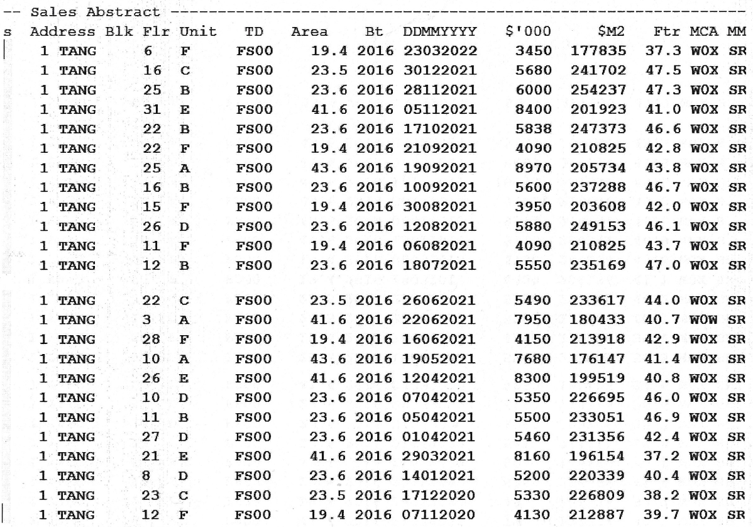

 |  |  |  |  |  |  | F Grave

